Q1
This sheet is protected for preventing accidental editings. Use password 123456 for making chnages in the sheet

QUESTION 1 | The maximum weight that an elevator in an apartment complex can accommodate is 800kg.The average adult weight be about 70 kgs with a variance of 200.
 | What is the probability that the lift safely reaches the ground when there are 10 adults in the lift?

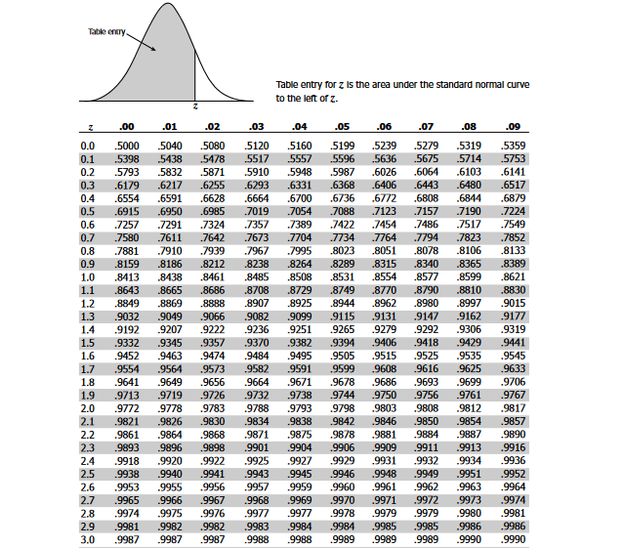
ANSWER 1
 | Given that :

 | Max weight that can be accomodated by the elevator | Wmax =800 kgs

 | avg adult weight | Wavg =70 kgs

 | variance in adult weight | Vavg = 200

 | we need to find the probability of the elevator reaching the ground safely when there are 10 adults in it

 | so now ,

 | the total weight under consideration | W = 10 * 70 = 700 kgs

 | the total variance under consideration | V = 10 * 200 = 2000

 | the standard deviation under consideration | S = | 44.72 | ( std dev is the square root of variance )

 | Assuming the weight is distributed Normally,

 | we know that the lift reached unsafe when the weight is greater than 800 kgs.
 | So we will find out the probability for unsafe landing and reduce it from 1 to get the probability for safe landing

 | Let's now find the Z value | Z = (Wmax - W) / S

 |  | = ( 800 - 700 ) / 44.72 = 2.24

 | Subtracting the value for Z = 2.24 that we get from the table we get the probability value for W > 800kgs

 | Probability ofUnsafe landing = 1 - 0.9875 = 0.0125

 | so now we have the probablity for unsafe landing from the table

 | Therefore, the probability for Safe landing of the elevator = 1 - 0.0125 = 0.9875

 | Thus we conclude that the probability of safe landing of the elevator with 10 persons in it is 98.75 %

